Sheet15
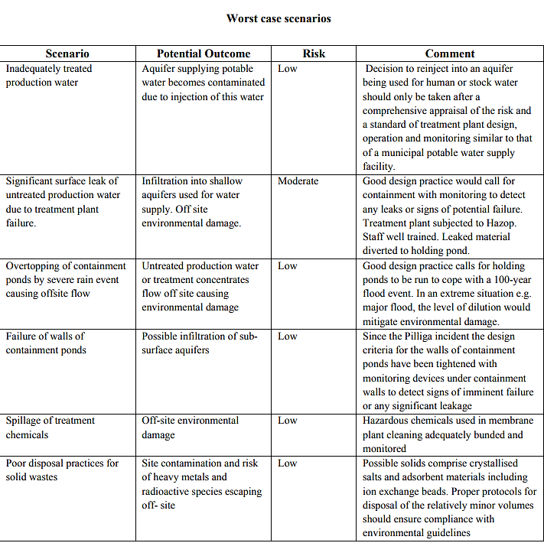
Incidents That Can Happen at CSG Plant

